Visa
 | Pan Am Para-Badminton Championships 2016 |  |  |  | 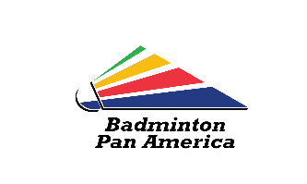
VISA REQUEST FORM (Deadline : 4 November 2016)
Country : | Medellin, Colombia

GIVEN NAME | FAMILY NAME | GENDER | DATE OF BIRTH | NATIONALITY | PASSPORT NUMBER | EXPIRY DATE (dd/mm/yyyy) | FUNCTION/ROLE

